strategy1
STRATEGY 1: Initial Stop Loss - 0.96 of Gap Up Open. Reset stop loss at 4% to higher of 1.04 or 0.99 of low from two days before.

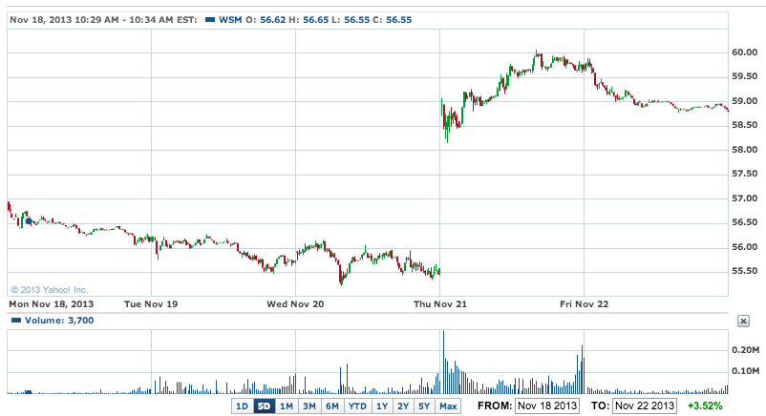
Stock | WSM | Buying on gap up due to strong earnings and outlook
Date | 2013-11-20
 | Open | High | Low | Stop Loss | Stop Loss Reset | 4% Stop Loss Reset | 8% Stop Loss Reset | 2-day low SL Reset | Trade | Price
1 | 58.76 | 60.07 | 58.12 | 56.4096 | 61.1104 | 61.1104 | 63.4608 |  | BUY | 58.94
2 | 59.77 | 59.93 | 58.76 | 56.4096 | 61.1104 |  |  |  | HOLD
3
4
5
6
7
8
9
10

 |  |  |  |  |  |  |  |  | G/L % | #N/A

Stock | DE | Buying on gap up due to strong earnings and outlook
Date | 2013-11-20
 | Open | High | Low | Stop Loss | Stop Loss Reset | 4% Stop Loss Reset | 8% Stop Loss Reset | 2-day low SL Reset | Trade | Price
1 | 85.3 | 84.5 | 83.77 | 81.888 | 88.712 | 88.712 | 92.124 |  | BUY | 84.88
2 | 84.67 | 84.8 | 83.21 | 81.888 | 88.712 |  |  |  | HOLD
3 | 83.84 | 85.08 | 83.71
4
5
6
7
8
9
10

 |  |  |  |  |  |  |  |  | G/L % | #N/A

Stock | WDAY | Buying on gap up due to strong earnings and outlook
Date | 2013-11-26
 | Open | High | Low | Stop Loss | Stop Loss Reset | 4% Stop Loss Reset | 8% Stop Loss Reset | 2-day low SL Reset | Trade | Price
1 | 82.04 | 86.06 |  | 78.7584 | 85.3216 | 85.3216 | 88.6032 |  | BUY | 86.7
2 |  |  |  |  |  |  |  |  | HOLD
3
4
5
6
7
8
9
10
 |  |  |  |  |  |  |  |  | G/L % | #N/A

Stock | TIF | Buying on gap up due to strong earnings and outlook
Date | 2013-11-26
 | Open | High | Low | Stop Loss | Stop Loss Reset | 4% Stop Loss Reset | 8% Stop Loss Reset | 2-day low SL Reset | Trade | Price
1 | 82.04 |  |  | 78.7584 | 85.3216 | 85.3216 | 88.6032 |  | BUY | 79.65
2 |  |  |  |  |  |  |  |  | HOLD
3
4
5
6
7
8
9
10
 |  |  |  |  |  |  |  |  | G/L % | #N/A

Gap Ups of Interest
Date | Ticker | Premarket | Notes | Day 2
2013-11-22 | PVG |  | Industrial company, already up 50%. Has small gap up. 350MM market cap. | Turned out to be a blowaway power up day with a little more to go in following days.
2013-11-22 | ARIA |  | Phamaceutical drug. 35% gap on news that European regulators will allow it, after it fell in Oct due to the FDA banning the drug. I don’t think the strength of this one will continue. | Blew it away the next day! Wow. Continued to surge higher to 5. |  | 
2013-11-22 | YUM |  | This stock gaps up a lot. I think it could mean a few points but not consistent with my strategy on this one. Will likely close the gap. | Power up, but gap stalled out and finally went down.
2013-11-22 | CVC |  | Gap up on merger rumors from Time Warner and another competitor. | Continued its run up, but not before falling the next day. |  | 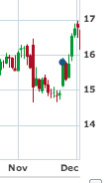
2013-11-22 | ETNA |  | Pharma up on strong P3 trials for Hepatitis C drug | Continued MONSTER run! | 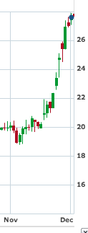
2013-11-22 | CY |  | Cyprus semiconductor up - no apparent news | Gap closed after several days. | 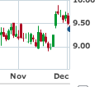
2013-11-22 | CLDX |  | Biopharma with good clinical trial news
2013-11-22 | OMC |  | Possible breakout on resistance?
2013-11-22 | BIIG |  |  | Another 10% up? Yowza
2013-11-25 | OREX |  | Also trading higher was Orexigen (OREX), which rose 53c, or 9.33%, to $6.21 after the company said its obesity drug Contrave met a pre-specified criteria for cardiovascular risk in a study, which will lead the company to resubmit its New Drug Application for the treatment to the FDA in the next few weeks. | 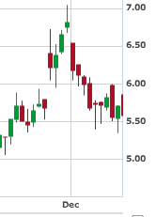
2013-11-25 | DVA |  | DaVita (DVA), which rose $5.01, or 8.86%, to $61.55, following a final rule issuance from the Centers for Medicare & Medicaid Services on Medicare policies and payment rates for 2014 for dialysis facilities that a number of analysts said was favorable for DaVita and other companies involved in dialysis treatment.
2013-11-25 | BKW
2013-11-25 | BLRX |  | InPlay: BioLineRx announces new positive results in Phase 2a trial for orally available inflammatory bowel disease treatment; new results show BL-7040 to reduce pro-inflammatory cytokine levels and improve colon histology in IBD patientsBriefing.com(Tue 7:06AM EST)
2013-11-26 | GLUU
2013-11-26 | TITXF
2013-11-26 | MHO
2013-11-27 | VJET
2013-11-27 | FWLT |  | Talks that Amec is going to buy the company
2013-11-29 | IRE |  | ADR - interested in viewing the gap ups
2013-11-29 | BCA |  | Also heading higher by double-digits was commercial and retail banking company CorpBanca (NYSE: BCA ) , which operates in Chile. CorpBanca shares vaulted 11.1% higher on the day after Bloomberg reported yesterday that billionaire Alvaro Saieh, who owns a controlling 76% interest in CorpBanca, has hired Bank of America and Goldman Sachs to help sell his stake in the company, possibly to Itau Unibanco, according to two people familiar with the matter. As you might have already suspected, every party involved declined to comment, although, if true, it would mean the potential for a bidding war for CorpBanca in a best case scenario. This is certainly a situation that bears watching; as Chile and Latin America offer much more robust growth opportunities than most domestic U.S. banks, CorpBanca could still have room to run higher.
2013-11-29 | CSFS |  | Stock chart looks AWFUL, but it is up on news that the company adopted a new bylaw regarding how they elect new directors
2013-12-03 | OMED |  | Collaborative agreement with CE
2013-12-03 | UNIS |  | Deal with Novartis
2013-12-03 | CNAT |  | It's drug got orphan status. On first day it gapped up, but ended down.
2013-12-04 | ARCW
2013-12-04 | PLUG |  | Power cell company up on no news - up 60%. TheStreet came out with an article saying that the company expects to sign a deal to sell fuel cells for 3 to 6 sites, ~$30-$40MM in revenue in Q4 which will blow away the #1MM in sales achieved in Q1. Mgmt says the deal will allow it to turn a profit next year. | Shit… on day 2 it went up another 40! | 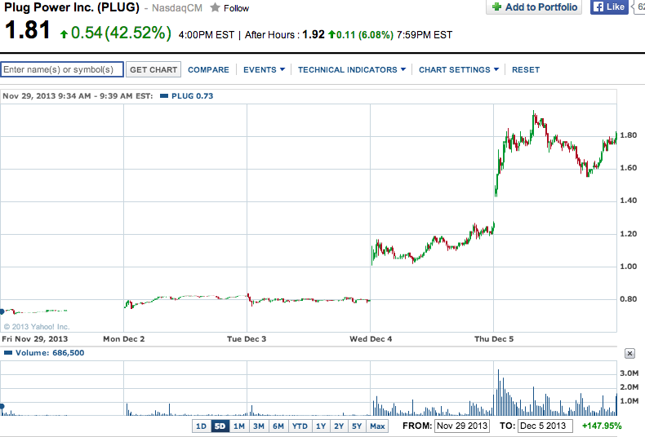
2013-12-04 | BLDP |  | Another fuel cell companyup big!
2013-12-05 | PBYI |  | Bucking the trend and leading all stocks higher was Puma Biotechnology (NYSE: PBYI ) which absolutely skyrocketed by 68.2% after announcing positive top-line data from its midstage neoadjuvant breast cancer study for neratinib. According to Puma's press release, the neratinib arm would be expected to deliver superior results to the control arm in treating HER2-positive/HR-negative signature breast cancer. Bayesian predictive models demonstrate a 94.7% probability of superiority over the current standard of treatment with this signature and a 78.1% probability of superiority over a control arm consisting of paclitaxel and Herceptin. Clearly, this data was much better than anyone had expected and lends hope that neratinib could one day become a blockbuster drug.
2013-12-05 | MEI |  | soared a whopping 43.1% after reporting second-quarter earnings results. For the quarter, Methode delivered a 47% increase in sales to $190.9 million, while consolidated gross margin rose 450 basis points to 21.7% and adjusted earnings per share, excluding last year's one-time settlement, rose 292% to $0.51. A mixture of higher sales in its automotive, interconnect, and power products segment helped push revenue higher, as did lower costs and improved operating efficiency. Furthermore, Methode published its revenue growth projections (link opens pdf file) through 2017, which call for a compound annual growth rate of 16% that will lead to more than $925 million in sales by that year. With that type of growth, Methode's run may be well-deserved.
2013-12-06 | FNSR
2013-12-06 | PSUN
2013-12-06 | GERN | 8% | Geron Corporation is a clinical stage biopharmaceutical company developing a first-in-class telomerase inhibitor, imetelstat, in hematologic myeloid malignancies. The company was founded in 1990 and is based in Menlo Park, California. Here's what's going on in premarket (it's up 5%+): Geron Corporation (NASDAQ:GERN) was on the move in pre-market trading on Friday after John Scarlett, M.D., President and Chief Executive Officer, presented an overview of the company at the 25th Annual Piper Jaffray Healthcare Conference in New York. In other news late Thursday, the company plans to host a live webcast of an analyst and investor meeting at 6:30 p.m. CT on December 9, 2013. It keeps going up in premarket! I have to chase it! Now up 13.59% I increased my order from 6.35 to 6.61! and I still don't have it!
2013-12-06 | ZIOP | 3.88% | 7:01 am ZIOPHARM announces unanimous recombinant DNA advisory committee approval for phase 1 study of Ad-RTS-IL-12 in subjects with recurrent or progressive Glioblastoma (ZIOP) : Co announced the unanimous approval of the National Institutes of Health's Recombinant DNA Advisory Committee for the initiation of a Phase 1 study of Ad-RTS-IL-12, an adenoviral vector engineered to express interleukin-12 under the control of veledimex, an oral activator, in subjects with recurrent or progressive glioblastoma or grade III malignant glioma (brain cancer). ZIOPHARM has announced plans to launch a Phase 1 study of Ad-RTS-IL-12 in malignant glioma in the first half of 2014. The Company is currently studying Ad-RTS-IL-12 in Phase 2 studies in melanoma and breast cancer. "Important variables to the efficacy and safety of such therapies include the immune-privileged status of the central nervous system, the processes that contribute to the suppression of immune responses and the ability to modulate a brain tumor specific immune response. In animal tumor models, Ad-RTS-IL-12 and veledimex demonstrate a significant ability to overcome these barriers by localizing and tightly controlling expression of the potent immune cytokine interleukin-12. I look forward to seeing this promising therapeutic approach move quickly into clinical trials in patients with malignant brain tumors."
2013-12-09 | MOSY |  | No fundamental news appears to be out. Possibly up on technical reasons.
2013-12-16 | BLRX | 20.39% | 7:04 am BioLineRx reports promising initial Phase 2 results of acute myeloid leukemia treatment; initial results for BL-8040 show substantial mobilization of cancer cells and signs of robust cancer cell death (BLRX) : Co announces promising initial results for its BL-8040 drug candidate in a Phase 2 clinical trial for patients with relapsed or refractory acute myeloid leukemia. The early results show that BL-8040, as a stand-alone therapy and in combination with high-dose Cytarabine, is safe at all doses tested to date, and triggers substantial mobilization of cancer cells from the bone marrow to the peripheral blood, thereby increasing the vulnerability of the cells to chemotherapy treatment. In addition, signs of robust apoptosis of cancer cells were observed following administration of the higher doses tested to date. The study has not yet reached the highest planned doses, suggesting that a strengthening of BL-8040's effects may be observed in future dosing cohorts. The Phase 2 trial is a multicenter, open-label study under an IND, and is designed to evaluate the safety and efficacy of repeated escalating doses of BL-8040 in adult patients with relapsed or refractory AML. The primary endpoints of the study are to assess the safety and tolerability of BL-8040. Secondary endpoints include the pharmacokinetic profile of the drug and an efficacy evaluation, indicated by the extent of mobilization of cancer cells from the bone marrow to the peripheral blood, the level of cancer cell death (apoptosis) and clinical responses. Eight patients have already been enrolled in the study, out of a total expected enrollment of up to 50 patients at eight clinical sites in the U.S. and Israel. To date, there have been no serious adverse events related to BL-8040, while the primary adverse event has been a minor and transient reaction at the injection site. The BL-8040 dosing level of the current study cohort is 1 mg/kg, with the highest planned study dose being 1.5 mg/kg.
2013-12-17 | HEI |  | Power up day - company declares special divident of $0.41/share
2013-12-27 | ALU | 4% | No news
2013-12-27 | MCP | 11% | No news

